Jul-Sep

Your Business Name Here |  |  |  |  |  | 2022/23 Financial Year

INCOME for July to September
DATE | WHO FROM | AMOUNT | GST | INTEREST
 |  |  | $0.00 |  |  |  | Enter your details & relevant year on this page - details will then flow through to other pages
 |  |  | $0.00
 |  |  | $0.00 |  |  |  | Details have been set to calculate automatically on the YTD Summary Sheet
 |  |  | $0.00 |  |  |  | The spreadsheet is arranged to correspond to Quarterly BAS lodgements
 |  |  | $0.00 |  |  |  | If you insert more rows remember to copy the preset formulas into the new lines
 |  |  | $0.00
 |  |  | $0.00 |  |  |  | Amounts are to be entered as gross amounts (Including GST)
 |  |  | $0.00 |  |  |  | GST will then be calculated as 1/11th of the gross
 |  |  | $0.00
 |  |  | $0.00 |  |  |  | Tips to avoid mistakes in BAS reporting
 |  |  | $0.00 |  |  |  | Expenses that do not include GST include motor vehicle registrations, bank charges, ASIC fees, Paypal transaction fees, Google Adwords, interest and director fees / drawings
 |  |  | $0.00 |  |  |  | Other items that have irregular GST components (i.e. not 1/11) should have their GST portions entered manually into the GST column
 |  |  | $0.00
 |  |  | $0.00
 |  |  | $0.00
 |  |  | $0.00
Total |  | $0.00 | $0.00 | $0.00

EXPENSES for July to September
DATE | WHO TO / WHAT FOR | ACCOUNT-ING | BANK FEES | TOOLS & EQUIPMENT | MATERIALS & SUPPLIES | INSURANCE | MV FUEL | MV REPAIRS | MV LEASE | MV REGO / INSURANCE | MV TOLLS / PARKING | OFFICE SUPP | RENT | TELEPHONE | OTHER | OTHER | OTHER | OTHER | OTHER | OTHER | OTHER | GST
 |  |  |  |  |  |  |  |  |  |  |  |  |  |  |  |  |  |  |  |  |  | $0.00
 |  |  |  |  |  |  |  |  |  |  |  |  |  |  |  |  |  |  |  |  |  | $0.00
 |  |  |  |  |  |  |  |  |  |  |  |  |  |  |  |  |  |  |  |  |  | $0.00
 |  |  |  |  |  |  |  |  |  |  |  |  |  |  |  |  |  |  |  |  |  | $0.00
 |  |  |  |  |  |  |  |  |  |  |  |  |  |  |  |  |  |  |  |  |  | $0.00
 |  |  |  |  |  |  |  |  |  |  |  |  |  |  |  |  |  |  |  |  |  | $0.00
 |  |  |  |  |  |  |  |  |  |  |  |  |  |  |  |  |  |  |  |  |  | $0.00
 |  |  |  |  |  |  |  |  |  |  |  |  |  |  |  |  |  |  |  |  |  | $0.00

Total |  | $0.00 | $0.00 | $0.00 | $0.00 | $0.00 | $0.00 | $0.00 | $0.00 | $0.00 | $0.00 | $0.00 | $0.00 | $0.00 | $0.00 | $0.00 | $0.00 | $0.00 | $0.00 | $0.00 | $0.00 | $0.00

WAGES |  |  |  |  |  |  |  | Total Sales |  | $0.00
DATE | NAME | GROSS | TAX | NET | SUPER |  |  | GST Collected |  | $0.00
 |  |  |  | $0.00 | $0.00 |  |  | Total Purchases |  | $0.00
 |  |  |  | $0.00 | $0.00 |  |  | GST Paid |  | $0.00
 |  |  |  | $0.00 | $0.00
 |  |  |  | $0.00 | $0.00
 |  |  |  | $0.00 | $0.00
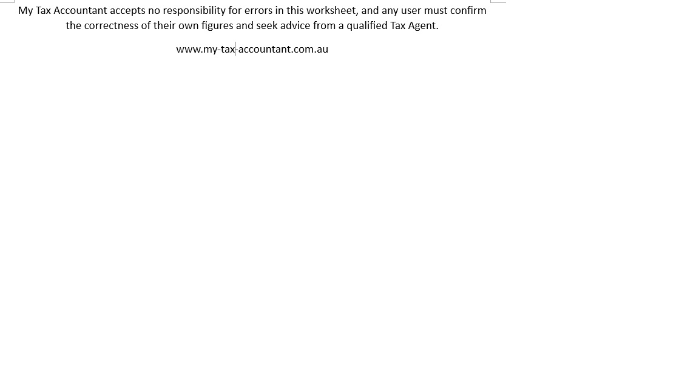
 |  |  |  | $0.00 | $0.00
 |  |  |  | $0.00 | $0.00
Total |  | $0.00 | $0.00 | $0.00 | $0.00

